Home
Press the button below before pasting anything

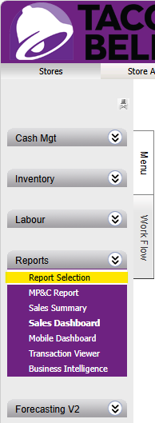
 | 1. To start with complete a "Key Item" Stock Count, specifically counting the items that you need to order today, do not tick boxes of any other items. 2. If you have any red variances, go and double check your count to see if you have missed anything |  |  | 3. Once you have completed the stock count, head into "Reports" > "Report Selection" > "Supply Chain". From there you can select 2 reports 4. The first "Items On Hand" will require you to select tomorrow as the start date, then you can download it as "Excel Data Only" before pasting all the data into the "STOCK ON HAND" tab. 5. For the "Items On Order" report you will need to select Monday last week as the start date and Sunday 2 weeks from now as the End date, then download as "Excel Data Only", copy all that data into the "STOCK ON ORDER" tab

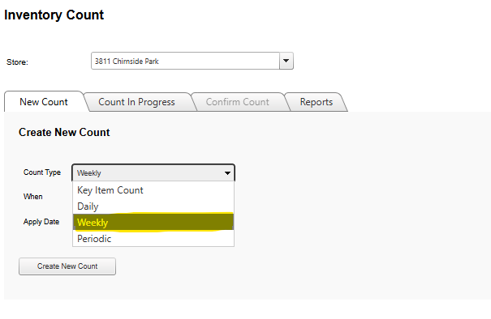
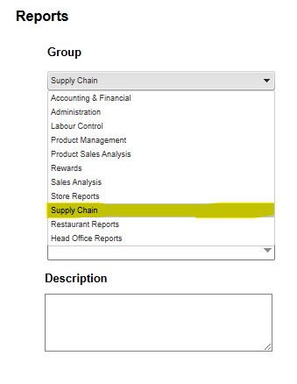
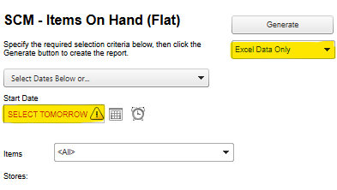
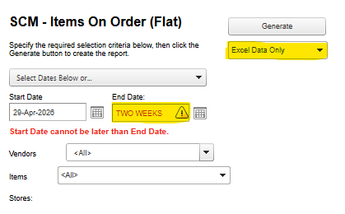

 |  | ^This will be updated with Spot Count when available^ | Once you have followed steps 1-5 all the numbers for your stock counts should be filled in, follow them!

